Revised Calcs_India
 | Estimated Base | CPI-Mid Range Potential |  |  |  | CPI Potentials (GW) (2030) |  | Low | Mid* | High
Year | 2019 | 2030 |  |  |  | (for ~600 GW peak load) |  | 40 | 77.5 | 180
DR Capacity (MW) | 922 | 77500
 |  |  |  |  |  | * EPS peak is ~400 GW in 2030, so we assume the mid range estimate of CPI
 |  |  |  |  |  | which is against a higher (~600 GW) peak in 2030
 |  |  |  |  |  | However, we adjust to remove the contribution from EV charging, which
 |  |  |  |  |  | is calculated separately in the EPS.

Time (Time) | 2019 | 2020 | 2021 | 2022 | 2023 | 2024 | 2025 | 2026 | 2027 | 2028 | 2029 | 2030 | 2031 | 2032 | 2033 | 2034 | 2035 | 2036 | 2037 | 2038 | 2039 | 2040 | 2041 | 2042 | 2043 | 2044 | 2045 | 2046 | 2047 | 2048 | 2049 | 2050
Peak Hour Electricity Demand by Season[summer] : MostRecentRun | 162417 | 161230 | 174773 | 185487 | 195731 | 205399 | 214078 | 222460 | 231463 | 243188 | 255060 | 266853 | 282041 | 297497 | 313255 | 328972 | 344356 | 359267 | 373991 | 389229 | 404542 | 419785 | 434919 | 449155 | 461626 | 473803 | 485708 | 497094 | 508145 | 518988 | 529610 | 539807
Peak Hour Electricity Demand by Season[winter] : MostRecentRun | 146544 | 144093 | 154638 | 162791 | 169782 | 176290 | 182072 | 187784 | 193901 | 200803 | 207926 | 214997 | 225052 | 235281 | 246160 | 256970 | 267780 | 278181 | 288508 | 299929 | 311352 | 322904 | 334325 | 345221 | 354663 | 363924 | 373016 | 381915 | 390538 | 399059 | 407410 | 415558

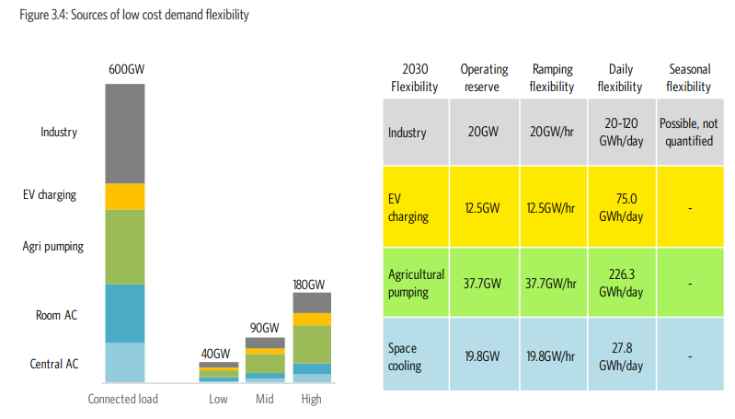

 |  |  |  |  |  | Source: CPI Report, Figure 3.4

2019 DR capacity
(All figures in MW)
Year | 2015 | 2016 | 2017 | 2018 | 2019
DR deployment (TPDDL study) | 5 | 5 | 12 | 15 | 20
Demand (TPDDL study) | 1766 | 1860 | 1954 | 2048 | 2142
% | 0.28 | 0.27 | 0.61 | 0.73 | 0.93
India peak demand | 153366 | 161834 | 172968.2 | 184868.4 | 197587.3
DR capacity | 217 | 217 | 531 | 677 | 922
CAGR (2016-21) | 6.88
CAGR (2021-26) | 5.77
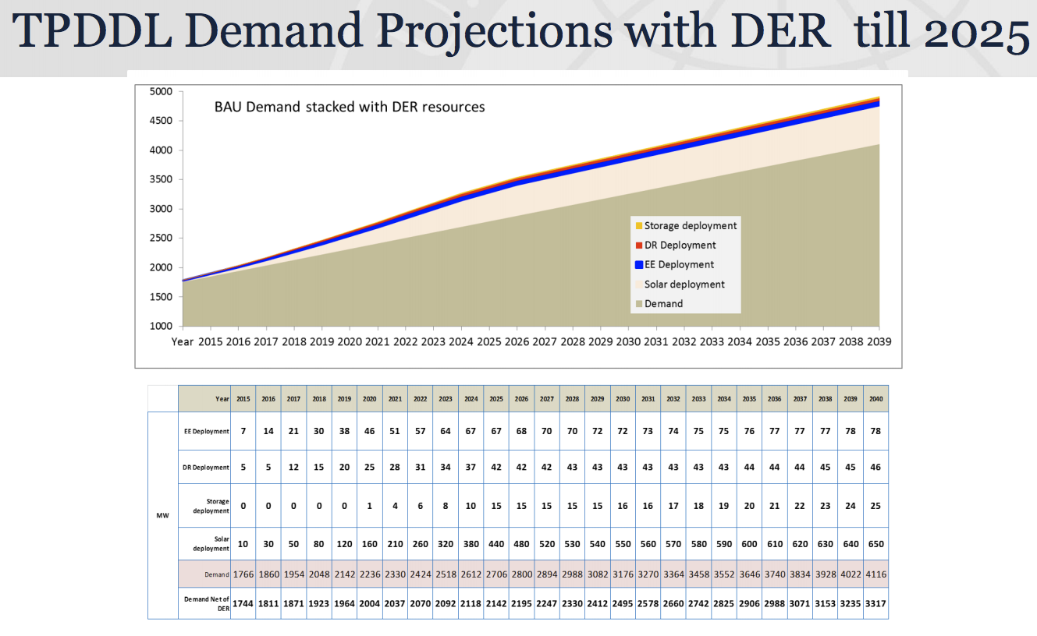

Potential of DR across consumer categories (weighted average) |  | 409500 | 13.184159691

Fraction of energy demand from industrial and commercial sectors |  | 49.99

DR Potential percentage |  | 6.6
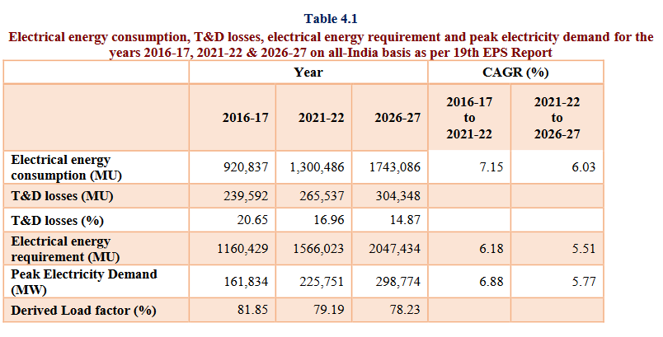

http://www.cea.nic.in/reports/committee/nep/nep_dec.pdf

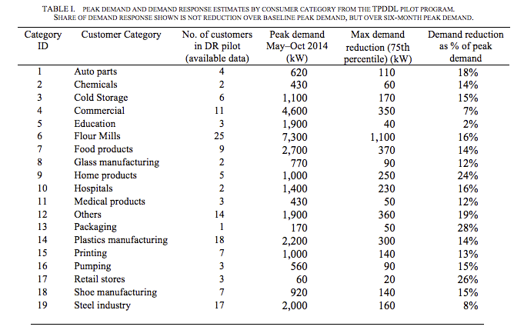

 |  |  |  |  |  |  |  |  |  | https://www.tatapower-ddl.com/UploadedDocuments/Presentation%20for%20USTDA%20Workshop%20250202015%20Ver%202.pdf

 | https://gig.lbl.gov/sites/default/files/lbnl_6987e_0.pdf

 | Table 6.9: Consumption of Electricity by Sectors in India
Source:CEA |  |  |  | in Giga Watt Hour = 106 Kilo Watt Hour
Year |  |  |  | Industry | Agriculture | Domestic | Commercial | Traction | Others | Total
 |  |  |  |  |  |  |  | & |  | Electricity
 |  |  |  |  |  |  |  | Railways |  | Consumed
1 |  |  |  | 2 | 3 | 4 | 5 | 6 | 7 | 8=2 to 7
2008-09 |  |  |  | 209,474 | 109,610 | 131,720 | 54,189 | 11,425 | 37,577 | 553,995
2009-10 |  |  |  | 236,752 | 120,209 | 146,080 | 60,600 | 12,408 | 36,595 | 612,645
2010-11 |  |  |  | 272,589 | 131,967 | 169,326 | 67,289 | 14,003 | 39,218 | 694,392
2011-12 |  |  |  | 352,291 | 140,960 | 171,104 | 65,381 | 14,206 | 41,252 | 785,194
2012-13 |  |  |  | 365,989 | 147,462 | 183,700 | 72,794 | 14,100 | 40,256 | 824,301
2013-14 |  |  |  | 384,418 | 152,744 | 199,842 | 74,247 | 15,540 | 47,418 | 874,209
2014-15 |  |  |  | 418,346 | 168,913 | 217,405 | 78,391 | 16,177 | 49,289 | 948,522
2015-16 |  |  |  | 423,523 | 173,185 | 238,876 | 86,037 | 16,594 | 62,976 | 1,001,191
2016-17 |  |  |  | 440,206 | 191,151 | 255,826 | 89,825 | 15,683 | 68,493 | 1,061,183
2017-18(P) |  |  |  | 468,825 | 204,293 | 273,550 | 96,141 | 14,356 | 73,079 | 1,130,244
Distribution (%) |  |  |  | 41.48 | 18.08 | 24.20 | 8.51 | 1.27 | 6.47 | 100.00
Growth rate of 2017-18 over 2016-17 (%) |  |  |  | 6.50 | 6.88 | 6.93 | 7.03 | -8.46 | 6.70 | 6.51
CAGR 2008-09 to 2017-18(%) |  |  |  | 8.39 | 6.42 | 7.58 | 5.90 | 2.31 | 6.88 | 7.39
(P): Provisional
Source : Central Electricity Authority.

http://www.mospi.gov.in/sites/default/files/publication_reports/Energy%20Statistics%202019-finall.pdf

